Sheet1
Server Command Table for A8
Client Application Design Spreadsheet
Use this table to help you design your program. Add rows as needed. | Use this column to describe when and what your LCD display changes to for rows like DISPLAY_ROW_CONNECTION | Use this column to denote if BT stack events cause your state machine to advance, you can put an X in the cell to note this. Drawing a bubble diagram of your state machine might also be a good idea. | Commands that may be useful: gecko_cmd_le_gap_set_discovery_type() gecko_cmd_le_gap_set_discovery_timing() gecko_cmd_le_gap_start_discovery() gecko_cmd_le_gap_end_procedure() gecko_cmd_le_gap_connect() gecko_cmd_gatt_discover_primary_services_by_uuid() gecko_cmd_gatt_discover_characteristics_by_uuid() gecko_cmd_gatt_set_characteristic_notification() gecko_cmd_gatt_send_characteristic_confirmation()

BT Stack Event ID | LCD Display State | Advances State Machine | Commands called in response to event | Notes
gecko_evt_system_boot_id | Advertising | No | This event is generated on stack boot up
 |  |  | gecko_cmd_le_gap_set_advertise_timing() | Sets advertising parameters: advertising handle : 0 min advertising interval : 250 ms (val * 0.625 ms) max advertising interval : 250 ms (val * 0.625 ms) duration : 0 (no limit) maxevents : 0 (no max number of events)
 |  |  | gecko_cmd_le_gap_start_advertising() | Starts advertising: advertising handle : 0 discoverable mode : le_gap_general_discoverable connectable mode : le_gap_connectable_scannable

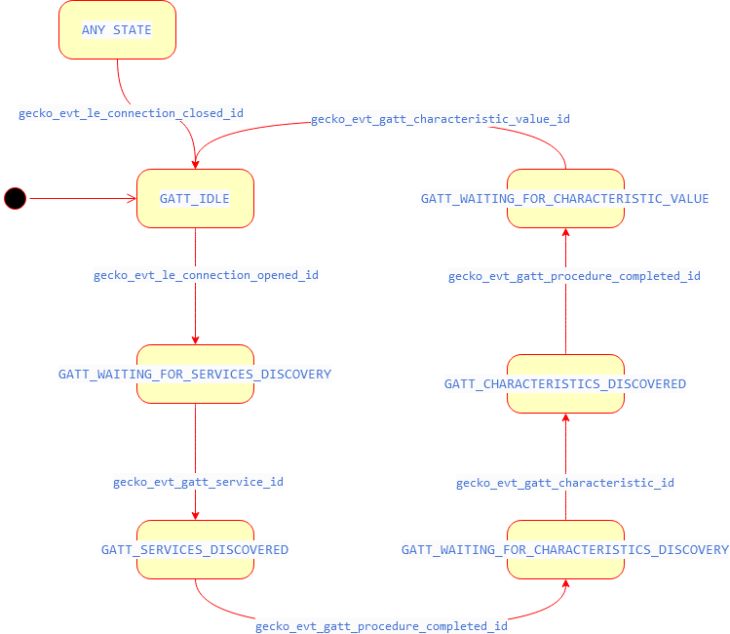
gecko_evt_le_connection_opened_id | Connected | X - Yes | This event is generated when a new connection is established | save event->data.evt_le_connection_opened.connection (connection handle)
 |  |  | gecko_cmd_le_connection_set_parameters() | Request change to connection parameters: connection handle : evt->data.evt_le_connection_opened.connection min connection interval : 75 ms (val * 1.25 ms) max connection interval : 75 ms (val * 1.25 ms) slave latency : 4 supervision timeout : 1500 ms (val * 10 ms)
 |  |  | gecko_cmd_sm_increase_security() | Security Manager command to increase the security of the BT connection. On an unencrypted connection, this will encrypt the connection and perform bonding if requested by both devices. On an encrypted connection, this will re-encrypt the connection. connection handle : saved connection handle

gecko_evt_le_connection_closed_id | Advertising | X - Yes | This event is generated when a connection is dropped
 |  |  | gecko_cmd_le_gap_start_advertising() | Starts advertising: advertising handle : 0 discoverable mode : le_gap_general_discoverable connectable mode : le_gap_connectable_scannable

gecko_evt_gatt_server_characteristic_status_id | No change | No | This event is generated when the Characteristic Configuration descriptor has been changed by the remote GATT client, or that a confirmation from the remote GATT client was received upon a successful reception of the indication. | If client config flags, status flags and incoming characteristic indicates that GATT notifications for temperature measurement are enabled, set readyForTemperature to true
 |  |  | gecko_cmd_le_connection_get_rssi() | Gets the latest RSSI value of a BT connection: connection handle : evt->data.evt_gatt_server_characteristic_status.connection

gecko_evt_le_connection_parameters_id | No change | No | This event is generated after new connection parameters have been applied to the connection | Do not initiate any commands here. Save/log the accepted connection parameters.

gecko_evt_le_connection_rssi_id | No change | No | This event is triggered when gecko_cmd_le_connection_get_rssi() completes | Change TX power by halting, setting power value, and resuming system
 |  |  | gecko_cmd_system_halt() | Set input to 1 to halt - 0 to resume
 |  |  | gecko_cmd_system_set_tx_power() | Depending on rssi measured, change TX power

gecko_evt_hardware_soft_timer_id | No change | No | This event is generated by the 1 second BT stack timer we started up & use this to perform the 1 second period toggling of the LCD display EXTCOMIN signal, for static charge build-up management | Do not initiate any commands here, or make any BT stack calls. Toggle EXTCOMIN GPIO by calling displayUpdate()

gecko_evt_sm_confirm_passkey_id | No change | No | This event is generated after remote GATT client has also displayed a passkey. | The user must confirm whether the remote GATT client displays the same passkey as the server

gecko_evt_system_external_signal_id (PB0) | No change | No | This event is generated via PB0 IRQ Handler | This event indicates confirmation by the user that the server and client passkeys match
 |  |  | gecko_cmd_sm_passkey_confirm() | This command is used for accepting or rejecting reported confirmation value: connection handle : saved connection handle accept confirm value : 1 accept if passkeys match

gecko_evt_sm_bonded_id | No change | No | This event is generated when bonding between server and the remote GATT client is successful

gecko_evt_sm_bonding_failed_id |  |  | This event is generated when bonding between server and the remote GATT client is NOT successful

